Example
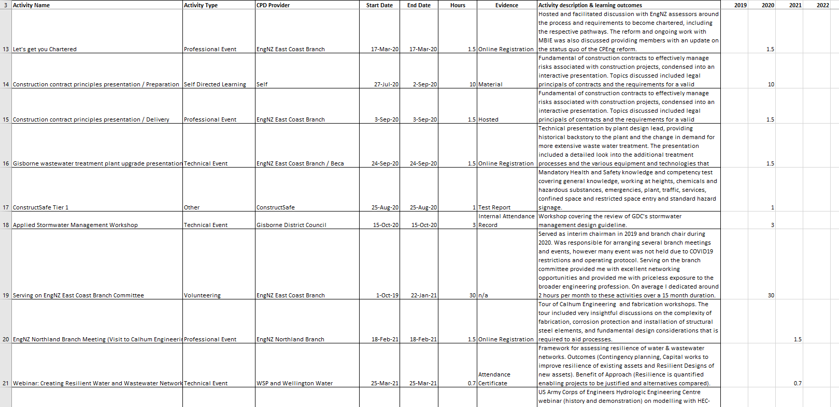
To practice as an engineer, you need to ensure that your knowledge is up to date and that you are undergoing continuous professional development (CPD). We are often asked what is expected in CPD records. On the next page is a spreadsheet that you can keep on your desktop. It is in line with the information required for your Engineering New Zealand learning records. Pasted below is a screenshot of a well-filled out learning record that you can use as a guide. You should be learning through a variety of different sources, mentoring, reading, technical events and on-the-job learning are some examples. Try to update your records regularly, ideally every week or two.

